Sheet1


PIONEER SERVICES

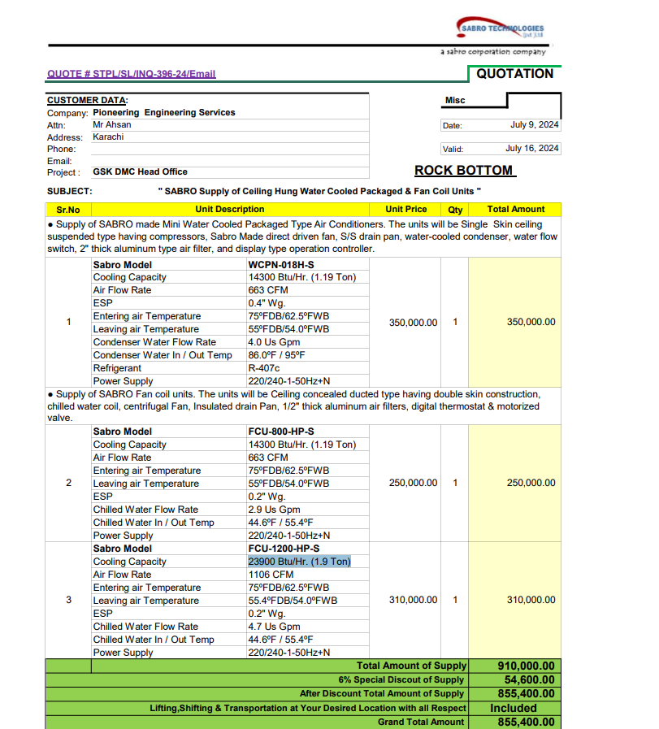
M/S Sabro Technologies |  |  |  |  | 22-Jul-24
Att: Mr. Faraz Hameed

Purchase Order against your quote QUOTE # STPL/SL/INQ-396-24/Email |  |  |  |  |  | -

Supply of WCPU & DFCU for the project GSK Office Dolmen Sky Tower Karachi |  |  |  |  |  | 1,050,000

S No. | D e s c r i p t i o n | Qty | Unit | Rate | Amount
1 | Supply of SABRO made Mini Water Cooled Packaged Type Air Conditioner Cooling Capacity 14300 Btu/Hr. (1.19 Ton) Sabro Model WCPN-018H-S | 1 | No | 350,000 | 350,000 | 284 | 332
2 | Supply of SABRO Fan coil unit Sabro Model FCU-1200-HP-S Cooling Capacity 23900 Btu/Hr. (1.9 Ton) | 1 | No | 310,000 | 310,000
Total Amount Rs |  |  |  |  | 660,000
Discount 6% |  |  |  |  | 39,600
Total Amount Rs |  |  |  |  | 620,400

Note: This PO is subject to meet all compliaces of the DFCU & WCPU.

for Pioneer Engineering Services

 |  |  |  |  |  |  | -
 |  |  |  |  |  |  | -
 |  |  |  |  |  |  | -
 |  |  |  |  |  |  | -

 |  |  |  |  |  |  | -
 |  |  |  |  |  |  | -
 |  |  |  |  |  |  | -
 |  |  |  |  |  |  | -
 |  |  |  |  |  |  | -
 |  |  |  |  |  |  | -
 |  |  |  |  |  |  | -
 |  |  |  |  |  |  | -
 |  |  |  |  |  |  | -

